Sheet1
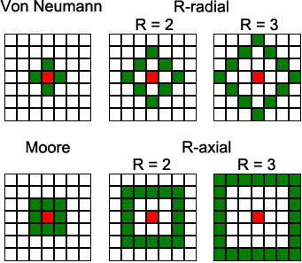
Von Neumann
length increase | 1 | 3 | 5 | 7
length | 1 | 4 | 9 | 16
step | 0 | 1 | 2 | 3

w |  | 1 | 2 | 3
n |  | 1 | 1 | 1
e |  | 1 | 2 | 3

start w |  | 0 | 1 | 4
start n |  | 0 | 2 | 6
start e |  | 0 | 2 | 6

Moore
length increase | 1 | 5 | 9 | 13 | 17
length | 1 | 6 | 15 | 28 | 45
step | 0 | 1 | 2 | 3 | 4

w |  | 1 | 2 | 3 | 4
nw |  | 1 | 1 | 1 | 1
n |  | 1 | 3 | 5 | 7
ne |  | 1 | 1 | 1 | 1
e |  | 1 | 2 | 3 | 4

start w |  | 0 | 1 | 6 | 15
start nw |  | 0 | 2 | 8 | 18 | https://www.researchgate.net/publication/333524697/figure/fig1/AS:766047133106179@1559651277239/The-two-most-common-neighborhood-structures-are-the-Von-Neumann-and-Moore-which-can-be.ppm
start n |  | 0 | 2 | 8 | 18
start ne |  | 0 | 4 | 12 | 24
start e |  | 0 | 4 | 12 | 24

